Indices

 | Iraq Stock Exchange
 | Bulletin No (92)
 | ISX Trading Indices of Monday 25/5/2026

 | Traded Volume and OTC |  | 30,542,229,522 |  | Traded Value and OTC |  | 30,814,928,210 |  | Traders | 1588

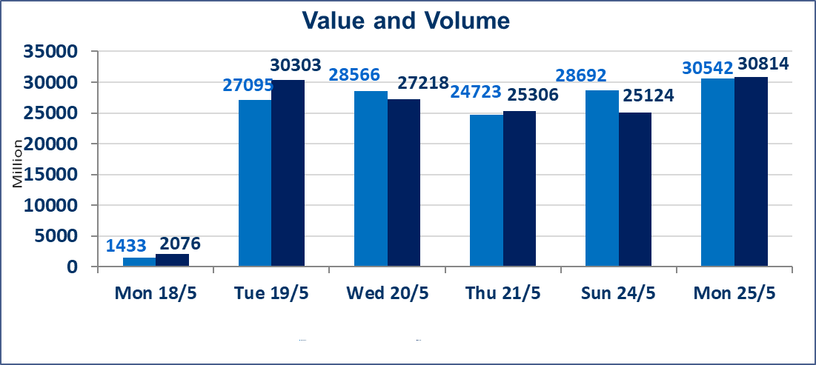
 | ISX Index 60 |  |  | 961.52 | ISX Index 15 |  |  | 1206.88
 | Previous ISX Index60 |  |  | 960.08 | Previous ISX Index15 |  |  | 1243.12
 | Change % |  |  | 0.15 | Change % |  |  | -2.92
 | Change |  |  | 1.44 | Change |  |  | -36.24

 | Listed Companies | 103 | OTC | 14 | Non Traded listed | 42 | OTC | 13
 | Traded Listed Companies | 48 | OTC | 1 | Higher Companies |  |  | 12
 | GAM Companies |  |  | 5 | Lower Companies |  |  | 4
 | Suspended Companies |  |  | 8
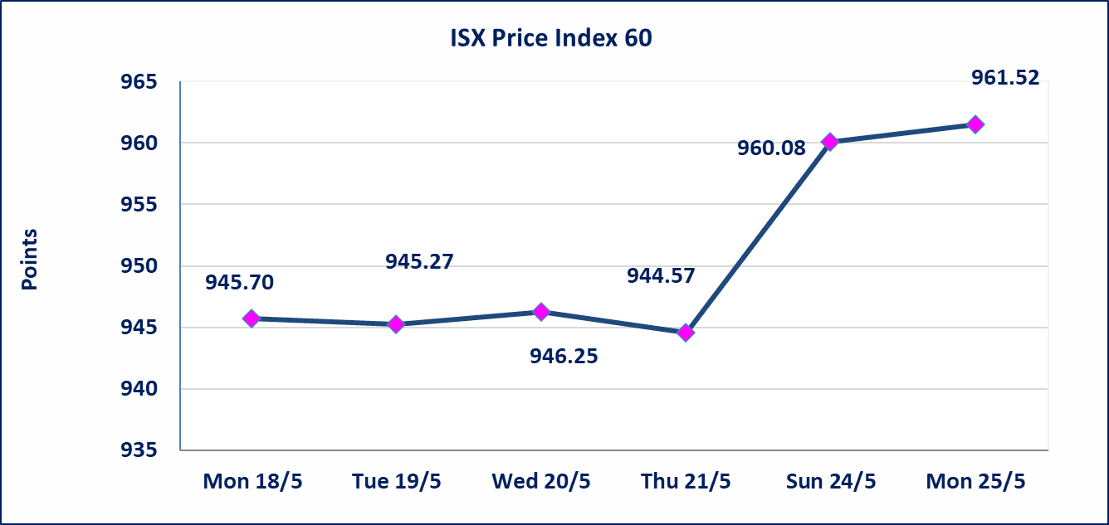
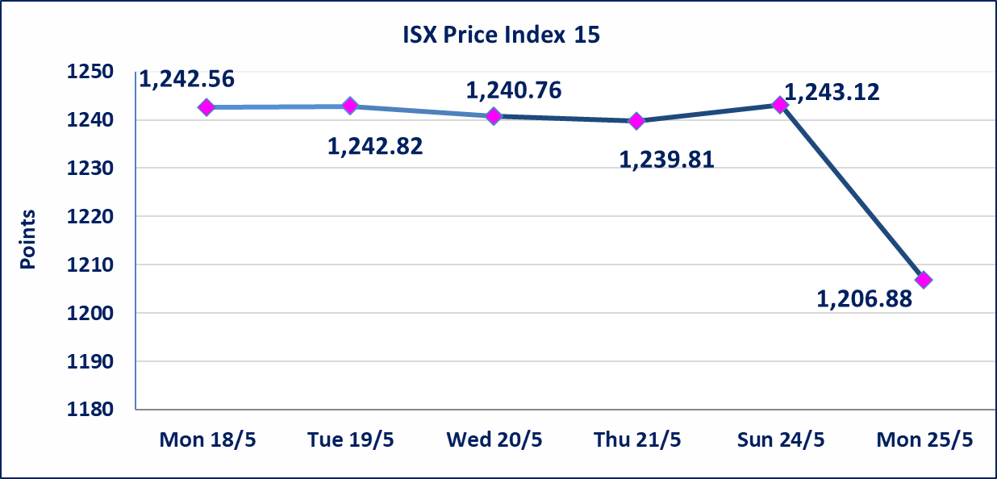

 | special orders | Elaf Brokerage Company executed a deliberate cross order on the shares of Al Qurtas Bank Company with a number of shares (29,595,000,000) shares with a value of (29,595,000,000) dinars, during the additional session time (after 1 pm) in accordance with the procedures for executing large transactions.
Al-Alwiya P.O . 3607 Mobile: 07711211522 - 07270094594 - 07834000034 E-mail: info-isx@isx-iq.net Web site:www.isx-iq.net

Top 5
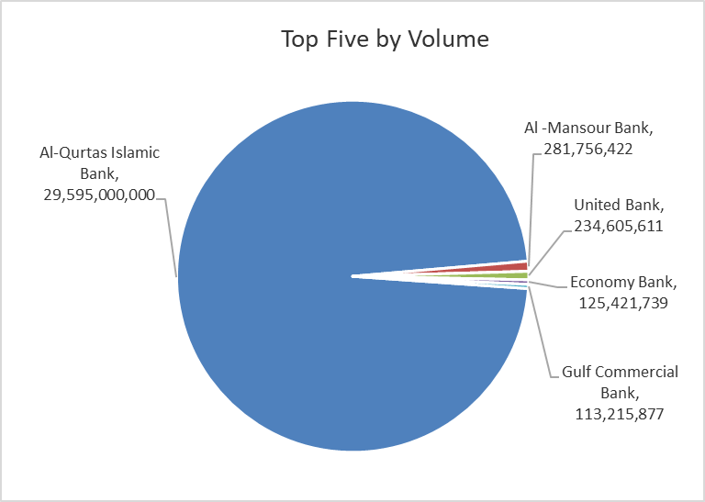
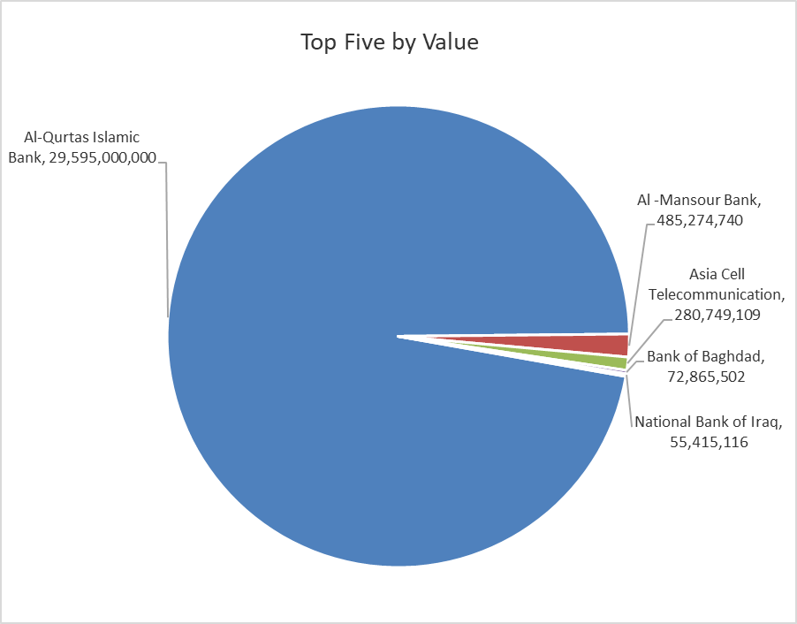

ISX top ganing and losing companies
Monday 25/5/2026
 | Gainers |  |  |  | Losers
 | Company Name | Closing Price | Change (%) | Traded Volume | Company Name | Closing Price | Change (%) | Traded Volume
 | Asia Al Iraq Islamic Bank | 0.950 | 21.79 | 25,000 | Commercial Islamic Bank of Iraq | 0.650 | -1.52 | 440,206
 | AL-Badia for General Trans | 1.650 | 13.79 | 16,168 | Kharkh Tour Amuzement City | 4.450 | -1.11 | 9,651,104
 | Al-Khatam Telecom | 4.600 | 9.79 | 438,907 | Al -Mansour Bank | 1.720 | -0.58 | 281,756,422
 | Al-Hamraa for Insurance | 5.400 | 8.00 | 15,000
 | Iraqi Date Processing and Marketing | 2.400 | 4.80 | 203
 | The most active companies in term of traded volume and value

 | Traded Volume |  |  |  | Traded Value
 | Company Name | Closing Price | Change (%) | Traded Volume | Company Name | Closing Price | Change (%) | Traded Value
 | Al-Qurtas Islamic Bank | 1.000 | 0.00 | 29,595,000,000 | Al-Qurtas Islamic Bank | 1.000 | 0.00 | 29,595,000,000
 | Al -Mansour Bank | 1.720 | -0.58 | 281,756,422 | Al -Mansour Bank | 1.720 | -0.58 | 485,274,740
 | United Bank | 0.050 | 0.00 | 234,605,611 | Asia Cell Telecommunication | 15.640 | -8.80 | 280,749,109
 | Economy Bank | 0.230 | 0.00 | 125,421,739 | Bank of Baghdad | 2.710 | 0.00 | 72,865,502
 | Gulf Commercial Bank | 0.390 | 2.63 | 113,215,877 | National Bank of Iraq | 3.980 | 0.25 | 55,415,116

Non Iraqis

Iraq Stock Exchange
Non Iraqis' Bulletin Monday May 25 2026
Regular Market

Non Iraqi Trading of Regular Market (Buy)
Company Names | Code | No.of trades | Traded Shares | Trading Volume
Banks Sector
Al-Mansour Bank | BMNS | 1 | 70,000 | 121,100
Total Bank sector |  | 1 | 70,000 | 121,100
Telecommunication Sector
Asia cell | TASC | 4 | 640,250 | 10,153,925
Total Telecommunication sector |  | 4 | 640,250 | 10,153,925
Grand Total |  | 5 | 710,250 | 10,275,025

Non Iraqi Trading of Second Market (BUY)
Company Names | Code | No. of trades | Traded Volume | Traded Value
Banks Sector
Region Trade Bank | BRTB | 1 | 200,000 | 202,000
Total Bank sector |  | 1 | 200,000 | 202,000
Grand Total |  | 1 | 200,000 | 202,000

Not Trading Bonds

Iraq Stock Exchange
Monday 25/5/2026
Not Trading Bonds Bulletin
Bond type | Publish type | Code | last trading price | immortilize date
Banaa Bonds /Million ID | Second | CB20 | 964,981 | 19/12/2025
Eamar Bonds /Million ID | First | CB30 | 1,001,095 | ــــــــــــــــ
Eamar Bonds /Million ID | Second | CB40 | ــــــــــــــــ | ــــــــــــــــ
Eamar Bonds /500 Thousand ID | Third | CB45 | ــــــــــــــــ | ــــــــــــــــ
Eamar Bonds /Million ID | Third | CB50 | ــــــــــــــــ | ــــــــــــــــ
Injaz Bonds /500 Thousand ID | First | CB55 | ــــــــــــــــ | ــــــــــــــــ
Injaz Bonds /Million ID | First | CB60 | 951,110 | ــــــــــــــــ
Injaz Bonds /500 Thousand ID | Second | CB65 | 511,000
Injaz Bonds /Million ID | Second | CB70 | 965,050 | ــــــــــــــــ
Injaz Bonds /500 Thousand ID | Third | CB75 | ــــــــــــــــ | ــــــــــــــــ
Injaz Bonds /Million ID | Third | CB80 | 978,182 | ــــــــــــــــ
National Bonds/Million ID | First | CB90 | ــــــــــــــــ | ــــــــــــــــ
National Bonds/500 Thousand ID | Second | CB95 | ــــــــــــــــ | ــــــــــــــــ
National Bonds/Million ID | Second | CB100 | ــــــــــــــــ | ــــــــــــــــ

